Expense Reimbursement Form
UNIVERSITY OF NORTH CAROLINA AT PEMBROKE
REIMBURSEMENT OF TRAVEL AND OTHER EXPENSES INCURRED IN THE DISCHARGE OF OFFICIAL DUTY
Use one form per trip. If multiple day trips are needed, please attach one sheet per day.

IMPORTANT INSTRUCTIONS TO CLAIMANT: Attach necessary receipts and other supporting documents to this form and submit the original, typed or printed in ink, to the Business Office. Form must have all required signatures and be filed at least monthly but not later than 30 days after travel took place.

Payee's Name (First, Middle Initial, Last) |  |  |  |  | UNCP Ext |  | Banner ID # |  | Title

Payee's Address

Period Covered by Request (from/to) |  |  |  |  | Department(s) and 6-Digit Fund/Organization Number(s)

I certify this is a true, accurate statement of expenses incurred in services to the State. |  |  |  |  |  |  | I have examined this reimbursement request and certify that it is just and reasonable.

(Claimant) |  |  |  | (Date) |  |  | (Supervisor) |  |  | (Date)
 | TRAVEL MILEAGE RATES |  | TRAVEL SUBSISTENCE RATES |  |  |  | ________________________________________________________________________
 |  |  |  | In State | Out of State
 | NC Mandate Rate | Federal Rate | B | $8.60 | $8.60 |  | (Dean) |  |  | (Date)
Effective | Total mi > 100 | Total mi <100 mi | L | $11.30 | $11.30 |  | ________________________________________________________________________
2019-01-01 | 0.33 | 0.58 | D | $19.50 | $22.20 |  | (Vice Chancellor) |  |  | (Date)

 | Purpose of trip/Comments: |  |  |  | Business Office Use Only:
 |  |  |  |  |  |  |  |  | Total Cost | $-

 |  |  |  |  |  |  |  |  | Less Advance

 |  |  |  |  |  |  |  |  | Reimbursement | $-
 |  |  |  |  |  |  |  |  | Approval and date
= | = | = | = | = | = | = | = | = | = | =
CODES: A-Air P-Private Car O-Other: rail, bus, taxi R-Rental Car B-Breakfast L-Lunch D-Dinner H-Hotel/Motel
= | = | = | = | = | = | = | = | = | = | =
Effective 1/1/2019 Mileage (Roundtrip): 0 to 100 will be calculated at 0.58 100 plus miles will be calculated at .33
 |  | Enter roundtrip miles here | > |  | $- |  | You must also notate mileage by day for In-State/Out of State
Travel (show each city visited) |  |  |  | Transportation |  |  | Subsistence |  | Other | Expense
Date | From To |  |  | In State | Out Of State |  | In State | Out Of State | Explanation | Amount
 |  |  | A |  |  | B
 | Miles | In State | P | $- |  | L |  |  |  |  | Meals will only be reimbursed for overnight stays within the following rules:
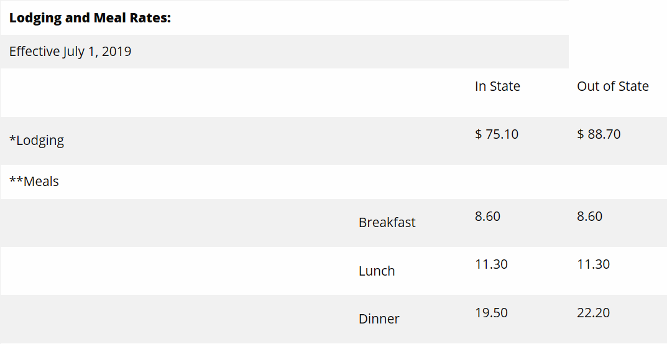
 | Miles | Out Of State | P |  | $- | D
Departure Time: |  |  | O
Arrival Time: |  |  | R |  |  | H
Date | From To
 |  |  | A |  |  | B
 | Miles | In State | P | $- |  | L
 | Miles | Out Of State | P |  | $- | D
Departure Time: |  |  | O
Arrival Time: |  |  | R |  |  | H
Date | From To
 |  |  | A |  |  | B
 | Miles | In State | P | $- |  | L
 | Miles | Out Of State | P |  | $- | D
Departure Time: |  |  | O
Arrival Time: |  |  | R |  |  | H
Date | From To
 |  |  | A |  |  | B
 | Miles | In State | P | $- |  | L
 | Miles | Out Of State | P |  | $- | D
Departure Time: |  |  | O
Arrival Time: |  |  | R |  |  | H
Date | From To
 |  |  | A |  |  | B
 | Miles | In State | P | $- |  | L
 | Miles | Out Of State | P |  | $- | D
Departure Time: |  |  | O
Arrival Time: |  |  | R |  |  | H
Total Daily Miles | Variance | Total |  | $0.00 | $0.00 |  | $0.00 | $0.00 |  | $0.00
0 | 0 |  |  | $- | $-
 |  | ck fig |  | $-
rev 7/1/2019

